Describe Azure virtual machines
Azure Virtual Machines (VMs)
 | infrastructure as a service (IaaS)

 | VMs are an ideal choice when you need:

 | you still need to configure, update, and maintain the software that runs on the VM.

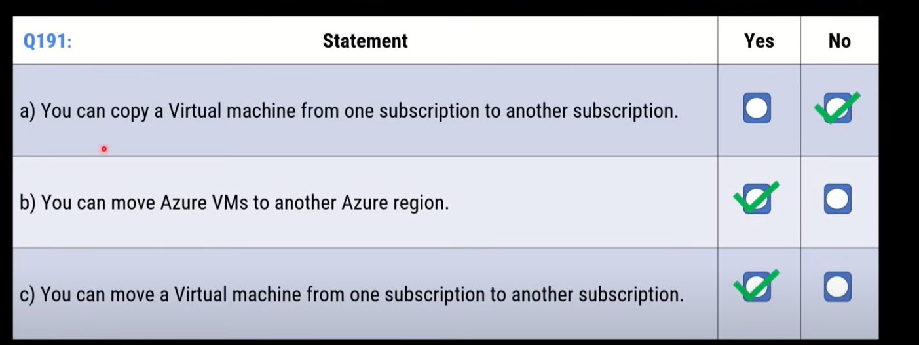

Scale VMs in Azure
 | Virtual machine scale sets
 |  | The number of VM instances can automatically increase or decrease in response to demand
 |  | or you can set it to scale based on a defined schedule.

 |  | automatically deploy a load balancer

 | Virtual machine availability sets
 |  | Update domain
 |  |  | Virtual machines in the same update domain will be restarted together during planned maintenance.
 |  |  | Azure never restarts more than one update domain at a time.
 |  |  | A rebooted update domain is given 30 minutes to recover before maintenance is initiated on a different update domain.
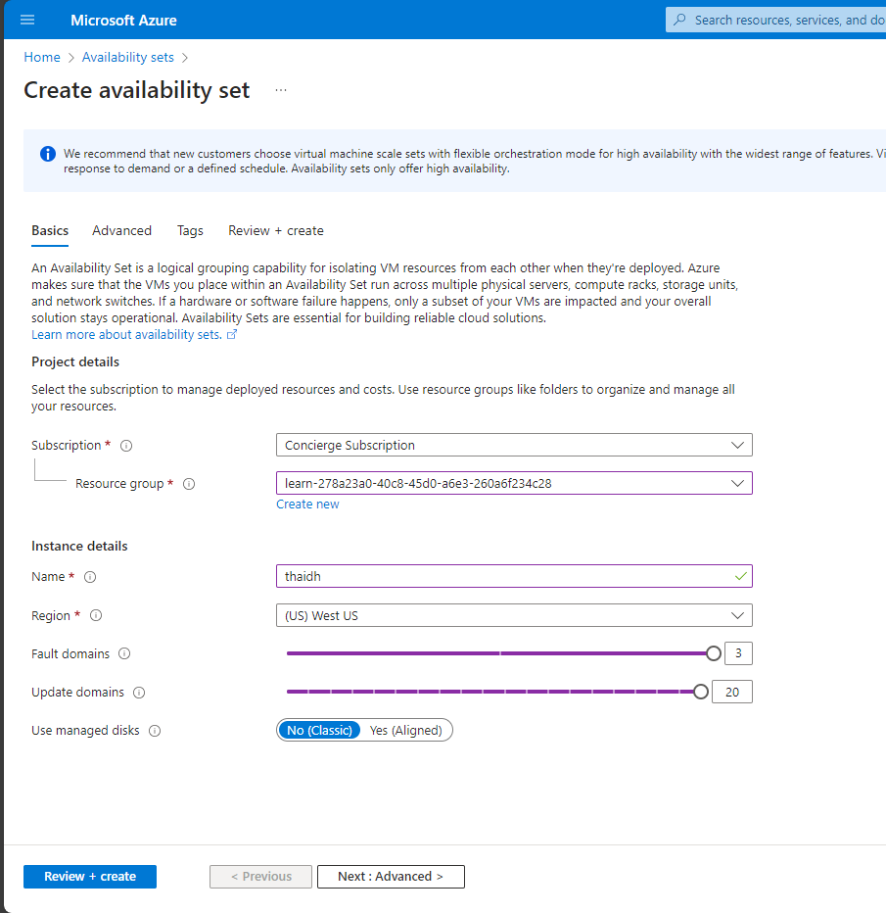

 |  | Fault domain
 |  |  | Virtual machines in the same fault domain share a common power source and physical network switch.
 |  |  | an availability set will split your VMs across up to three fault domains
 |  |  | This helps protect against a physical power or networking failure by having VMs in different fault domains (thus being connected to different power and networking resources).

 | Examples of when to use VMs
 |  | During testing and development
 |  | When running applications in the cloud.
 |  | When extending your datacenter to the cloud
 |  | During disaster recovery

application hosting options
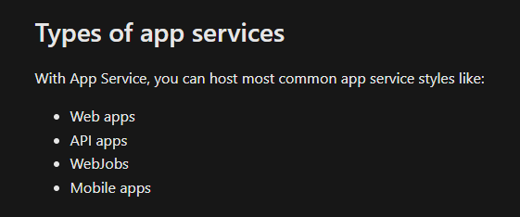
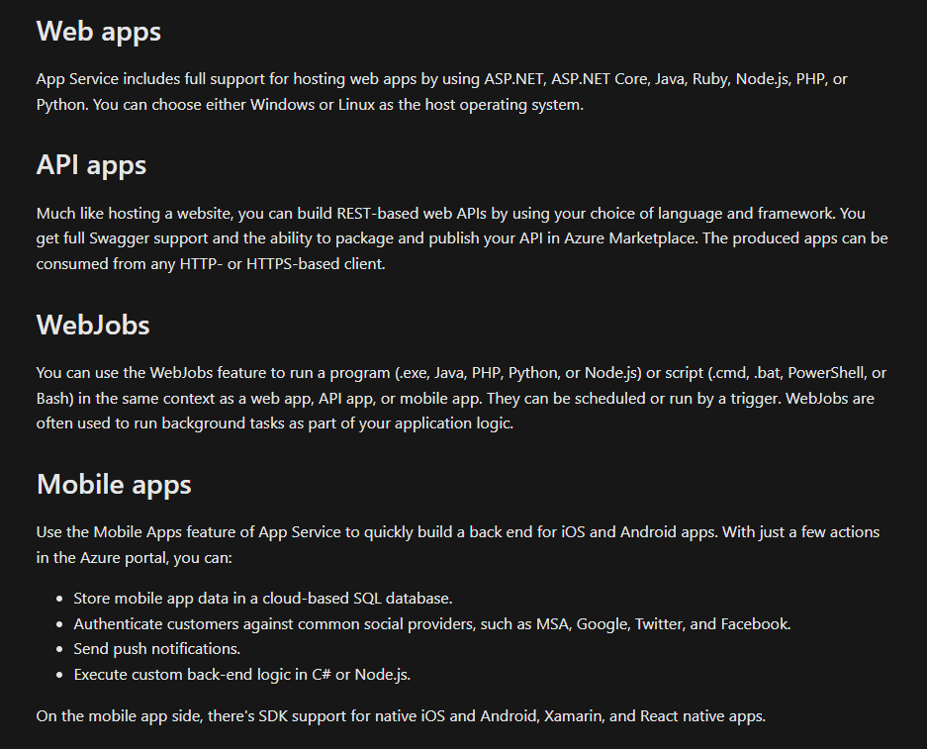
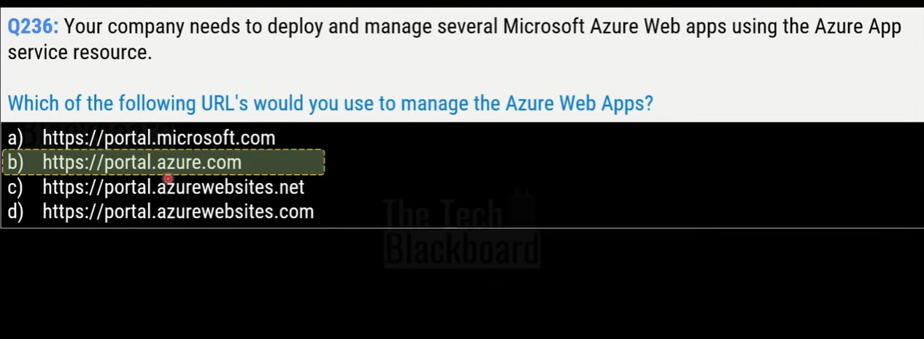
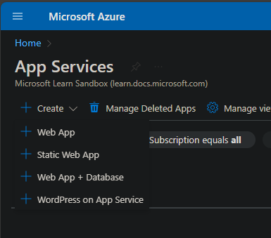
automatic scaling and high availability.
App Service supports Windows and Linux.
It enables automated deployments from GitHub, Azure DevOps, or any Git repo

Azure virtual networking
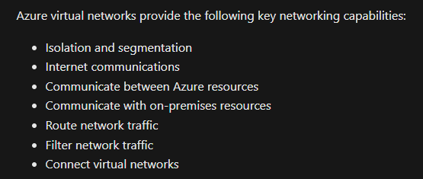
Isolation and segmentation
 | When you set up a virtual network, you define a private IP address space by using private IP address ranges.
 | The IP range only exists within the virtual network and isn't internet routable
 | You can divide that IP address space into subnets

Internet communications
 | You can enable incoming connections from the internet by assigning a public IP address to an Azure resource,
 | or putting the resource behind a public load balancer.

Communicate between Azure resources
 | You'll want to enable Azure resources to communicate securely with each other. You can do that in one of two ways:
 |  | Virtual networks
 |  | Service endpoints
 |  |  | used to expose Azure services to a virtual network, providing communication between the two.

Communicate with on-premises resources
 | Point-to-site
 |  | the client computer initiates an encrypted VPN connection to connect to the Azure virtual network.
 | Site-to-site

 | Azure ExpressRoute
 |  | provides a dedicated private connectivity to Azure that doesn't travel over the internet.
 |  | giống dedicated host

Route network traffic
 | Route tables
 |  | define rules about how traffic should be directed
 |  | how packets are routed between subnets

 | Border Gateway Protocol (BGP)
 |  | Nếu bạn có một mạng riêng (chẳng hạn mạng công ty) và bạn muốn kết nối với mạng Azure của Microsoft,
 |  |  | BGP sẽ quản lý và tối ưu hóa việc truyền dữ liệu giữa hai mạng này.

Filter network traffic
 | Network security groups
 |  | giống aws security group
 |  | contain multiple inbound and outbound security rules.
 |  | You can define these rules to allow or block traffic

 | Network virtual appliances
 |  | thiết bị mạng ảo chạy trên hạ tầng đám mây Azure, thực hiện các chức năng mạng chuyên dụng tương tự như các thiết bị phần cứng mạng truyền thống
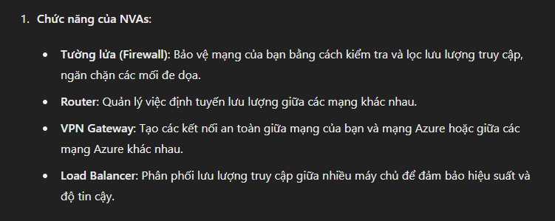

Connect virtual networks
 | You can link virtual networks together by using virtual network peering.
 | Network traffic between peered networks is private, never entering the public internet
 | Peering enables resources in each virtual network to communicate with each other. These virtual networks can be in separate regions

OSI
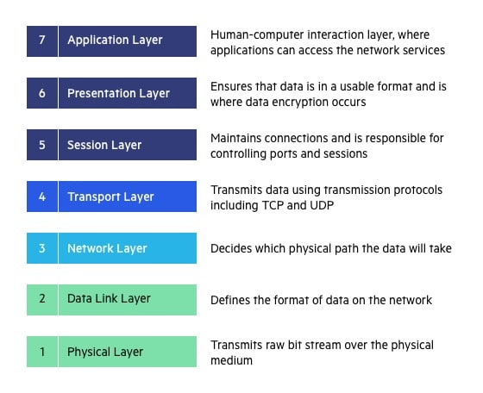
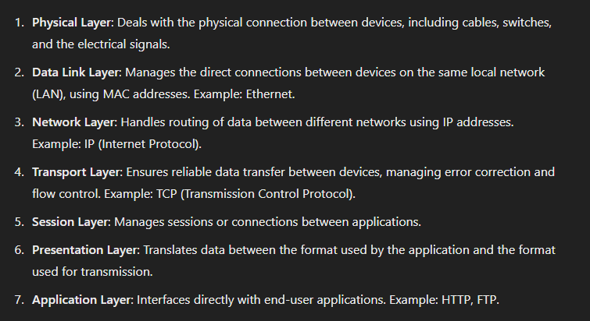
OSI (Open Systems Interconnection)

Routing table
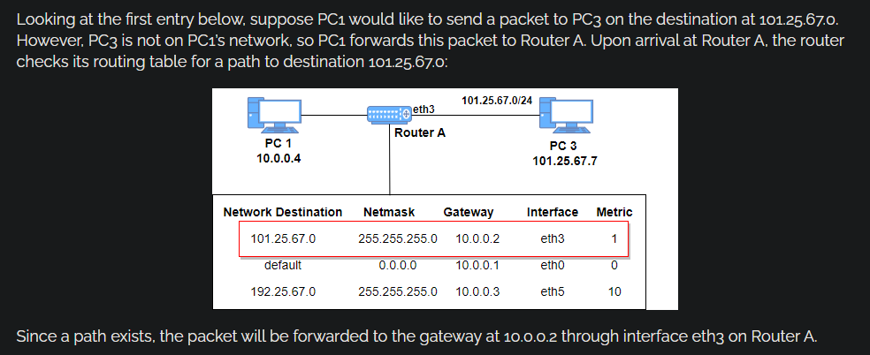

Azure DNS
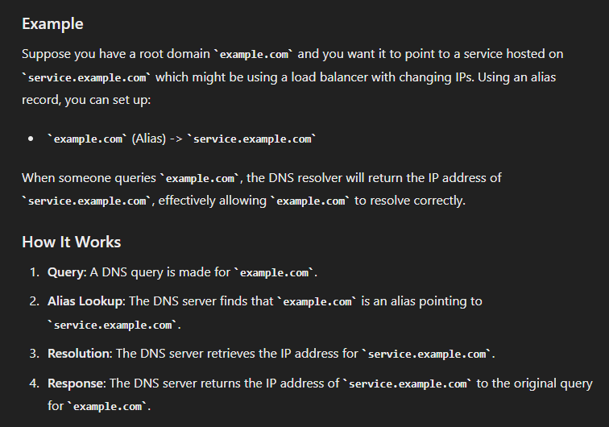
Benefits of Azure DNS
 | Reliability and performance
 |  | providing resiliency and high availability
 |  | Azure DNS uses anycast networking, so each DNS query is answered by the closest available DNS server to provide fast performance and high availability for your domain.

 | Security
 |  | Azure role-based access control (Azure RBAC) to control who has access to specific actions for your organization.
 |  | Activity logs to monitor how a user modified a resource or to find an error when troubleshooting.
 |  | Resource locking to lock a subscription, resource group, or resource. Locking prevents other users from accidentally deleting or modifying critical resources.

 | Ease of use
 |  | Azure DNS is integrated in the Azure portal
 |  | uses the same credentials, support contract, and billing as your other Azure services.

 |  | manage your domains and records with the Azure portal, Azure PowerShell cmdlets, and the cross-platform Azure CLI

 | Customizable virtual networks with private domains
 |  | supports private DNS domains
 |  | This feature allows you to use your own custom domain names in your private virtual networks, rather than being stuck with the Azure-provided names.

 | Alias records
 |  | alias record meaning

